Pivot table
Sum of Cases_Reported
18364409 | 18364409

Average of Cases_Reported
612.14696667 | 612.14696667

Sum of Convictions
8063717 | 8063717

Row Labels | Sum of Cases_Reported
2014 | 1836429
2015 | 1849673
2016 | 1819968
2017 | 1840111
2018 | 1826783
2019 | 1815571
2020 | 1841260
2021 | 1832062
2022 | 1846058
2023 | 1856494
Grand Total | 18364409

CRIME DISTRIBUTION BY TYPE
Row Labels | Sum of Cases_Reported
Assault | 1824429
Burglary | 1861879
Cybercrime | 1869091
Dowry Deaths | 1850037
Fraud | 1809324
Kidnapping | 1819293
Murder | 1876036
Rape | 1814760
Robbery | 1823508
Theft | 1816052
Grand Total | 18364409

 | Total
Mumbai
Pune
Nashik
Nagpur
Thane
Aurangabad
Kolhapur
Abohar
Agra
Ahmedabad
Ahmednagar
Ajmer
Akola
Alappuzha
Aligarh
Alipurduar
Alwar
Ambala
Amravati
Amreli | #N/A
Amritsar | 1531109
Anand | 1557486
Araria | 1510986
Aravalli | 1513556
Ariyalur | 1556206
Arrah | 1498286
Asansol | 1525847
Attingal | 1525443
Ayodhya | 1549598
Bagalkot | 1552626
Balaghat | 1507958
Ballari | 1535308
Ballia | 18364409
Banaskantha
Banka
Bankura
Bardhaman
Bareilly
Barmer
Barnala
Barrackpore
Basirhat
Basti
Batala
Bathinda
Beed
Begusarai
Belagavi
Bengaluru Urban
Betul
...

CRIME DISTRIBUTION BY YEAR

Row Labels | Sum of Cases_Reported
Bihar | 1531109
Gujarat | 1557486
Haryana | 1510986
Karnataka | 1513556
Kerala | 1556206
Madhya Pradesh | 1498286
Maharashtra | 1525847
Punjab | 1525443
Rajasthan | 1549598
Tamil Nadu | 1552626
Uttar Pradesh | 1507958
West Bengal | 1535308
Grand Total | 18364409

Dashboard
CRIME HOTSPOT ANALYSIS
INDIA | 2014 - 2023


TOTAL CASES REPORT
18364409
AVERAGE CRIME RATE
612.1469667
TOTAL CONVICTION
8063717

CRIME DISTRIBUTION BY TYPE
 | Total
Assault | 1824429
Burglary | 1861879
Cybercrime | 1869091
Dowry Deaths | 1850037
Fraud | 1809324
Kidnapping | 1819293
Murder | 1876036
Rape | 1814760
Robbery | 1823508
Theft | 1816052

CRIME TREND BY YEAR
 | Total
2014 | 1836429
2015 | 1849673
2016 | 1819968
2017 | 1840111
2018 | 1826783
2019 | 1815571
2020 | 1841260
2021 | 1832062
2022 | 1846058
2023 | 1856494



 | TOTAL CASES RATE



 | AVERAGE CRIME RATE

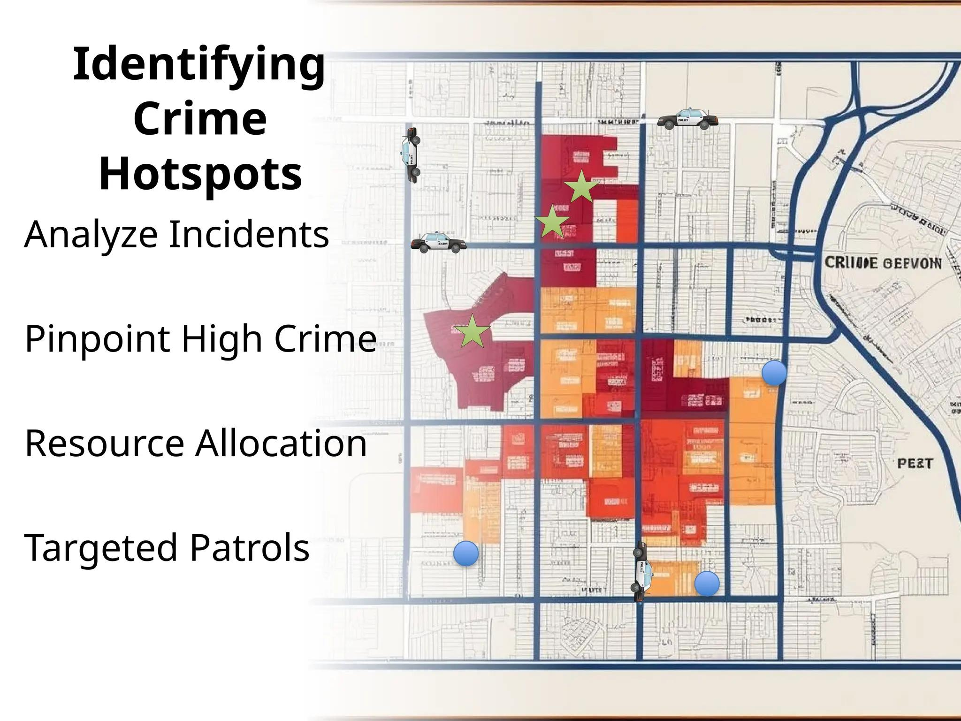

CRIME CASES BY DISTRICT
 | Total
Mumbai
Pune
Nashik
Nagpur
Thane
Aurangabad
Kolhapur
Abohar
Agra
Ahmedabad
Ahmednagar
Ajmer
Akola
Alappuzha
Aligarh
Alipurduar
Alwar
Ambala
Amravati
Amreli | #N/A
Amritsar | 1531109
Anand | 1557486
Araria | 1510986
Aravalli | 1513556
Ariyalur | 1556206
Arrah | 1498286
Asansol | 1525847
Attingal | 1525443
Ayodhya | 1549598
Bagalkot | 1552626
Balaghat | 1507958
Ballari | 1535308
Ballia | 18364409
Banaskantha
Banka
Bankura
Bardhaman
Bareilly
Barmer
Barnala
Barrackpore
Basirhat
Basti
Batala
Bathinda
Beed
Begusarai
Belagavi
Bengaluru Urban
Betul
...
CRIME DISTRIBUTION BY YEAR
 | Total
Bihar | 1531109
Gujarat | 1557486
Haryana | 1510986
Karnataka | 1513556
Kerala | 1556206
Madhya Pradesh | 1498286
Maharashtra | 1525847
Punjab | 1525443
Rajasthan | 1549598
Tamil Nadu | 1552626
Uttar Pradesh | 1507958
West Bengal | 1535308


 |  | TOTAL CONVICTION

